5. COVID Test
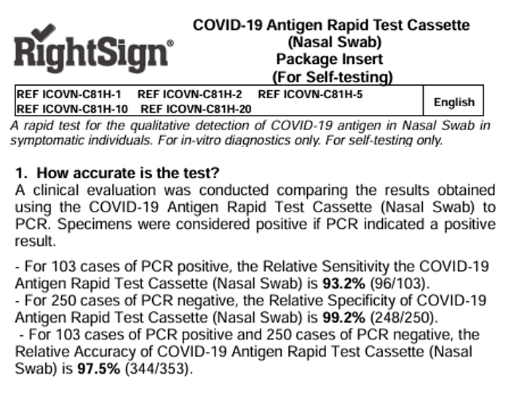

SDT term*:
Subjects total (STot): | PCR Positive | PCR Negative | True Positive (TP) | False Negative (FN) | True Negative (TN) | False Positive (FP) | Sensitivity | Specifity | Accuracy
 |  |  |  |  |  |  | TP/(TP+FN) | TN/(TN+FP) | (TP+TN)/Stot

Instruction:
1. Fill in the data required to calculate sensitivity, specifity and accuracy form the leaflet information.
2. Calculate these metrics by copying formulas provided.
*Bonus: Describe selected measures with "traditional" SDT terms

